Sheet1
DEPTHS | Rising Water (cm2/s) | Sinking Water (cm2/s) | total (cm2/s) | water volume
10 |  |  | 0.99058787224
20 |  |  | 0.84493133776
30 |  |  | 0.69865761457 |  | box midpoint depths | water volume (km3) | rising water (cm2/s) | sinking water (cm2/s) | total (cm2/s) | water moved m2/sec | water moved x box depth (20m) m3/s | km3/year | % water moved per year | mols of oxygen moved per year
40 | 0.433 | 0.428 | 0.60237617652 | 0-20 | 10 | 8000 |  |  | 0.99058787224 | 9.91E-05 | 1.98E-03 | 6.25E-05 | 0.000000780974% | 3.7486769044E-05
50 | 0.222 | 0.39 |  | 20-40 | 30 | 8000 |  |  | 0.69865761457 | 6.99E-05 | 1.40E-03 | 4.41E-05 | 0.000000550818% | 1.4982250968E-05
60 | 0.168 | 0.222 |  | 40-60 | 50 | 8000 | 0.222 | 0.39 | 0.49079754601 | 4.91E-05 | 9.82E-04 | 3.10E-05 | 0.000000386942% | 8.6675063311E-06
70 | 0.158 | 0.211 |  | 60-80 | 70 | 8000 | 0.158 | 0.211 | 0.29447852761 | 2.94E-05 | 5.89E-04 | 1.86E-05 | 0.000000232165% | 6.1291651996E-06
80 | 0.233 | 0.223 |  | 80-100 | 90 | 8000 | 0.15 | 0.254 | 0.26993865031 | 2.70E-05 | 5.40E-04 | 1.70E-05 | 0.000000212818% | 8.8532385998E-06
90 | 0.15 | 0.254 |  | 100-120 | 110 | 8000 | 0.232 | 0.328 | 0.35462842243 | 3.55E-05 | 7.09E-04 | 2.24E-05 | 0.000000279587% | 1.2190002522E-05
100 | 0.162 | 0.232 |  | 120-140 | 130 | 8000 | 0.445 | 0.392 | 0.47488304318 | 4.75E-05 | 9.50E-04 | 3.00E-05 | 0.000000374395% | 2.3961301444E-05
110 | 0.232 | 0.328 |  | 140-160 | 150 | 8000 | 0.748 | 0.503 | 0.61967942327 | 6.20E-05 | 1.24E-03 | 3.91E-05 | 0.000000488552% | 0.00015184197782
120 | 0.466 | 0.371 |  | 160-180 | 170 | 8000 | 1.168 | 0.769 | 0.76447580336 | 7.64E-05 | 1.53E-03 | 4.82E-05 | 0.000000602709% | 0.00053279455208
130 | 0.445 | 0.392 |  | 180-200 | 190 | 8000 | 1.082 | 0.941 | 0.90927218345 | 9.09E-05 | 1.82E-03 | 5.73E-05 | 0.000000716865% | 0.002537703822
140 | 0.496 | 0.502 |  | 200-1200 | 700 | 200000 |  |  | 3.0835079318 | 3.08E-04 | 3.08E-01 | 9.72E-03 | 0.000004862043% | 0
150 | 0.748 | 0.503 |  | 1200-2200 | 1700 | 200000 |  |  | 2.036809816 | 2.04E-04 | 2.04E-01 | 6.42E-03 | 0.000003211621% | 0
160 | 0.954 | 0.686
170 | 1.168 | 0.769
180 | 1.035 | 0.763
190 | 1.082 | 0.941 |  |  |  |  | km2 -> m2 | 1.00E+06 |  |  | what time units should the fluxes be in
200 | 1.036 | 1.338 |  |  |  |  | m3/s -> km3/yr | 31.71 |  |  | I have calcualte the % of water moving per year and used that % of oxygen being mover per year
250 | 1.381 | 1.56
300 | 2.209 | 1.857
400 | 2.838 | 2.336
 |  |  |  |  |  |  |  |  |  |  |  |  | 2533333333200
 |  |  |  |  |  |  |  |  |  |  |  |  | 919139988400
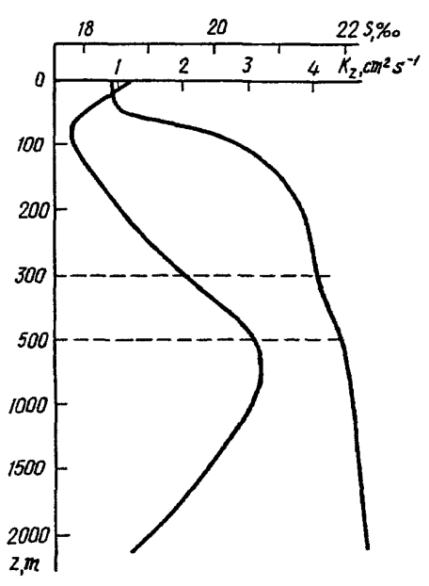

 |  |  |  |  |  | box volume (km3) | average o2 (mol/km3) | total mols (used in model)
 |  |  |  |  | 0-20 | 8000 | 0.600 | 4800.00
 |  |  |  |  | 20-40 | 8000 | 0.34 | 2720.00
 |  |  |  |  | 40-60 | 8000 | 0.28 | 2240.00
 |  |  |  |  | 60-80 | 8000 | 0.33 | 2640.00
 |  |  |  |  | 80-100 | 8000 | 0.52 | 4160.00
 |  |  |  |  | 100-120 | 8000 | 0.55 | 4360.00
 |  |  |  |  | 120-140 | 8000 | 0.80 | 6400.00
 |  |  |  |  | 140-160 | 8000 | 3.89 | 31080.00
 |  |  |  |  | 160-180 | 8000 | 11.05 | 88400.00
 |  |  |  |  | 180-200 | 8000 | 44.25 | 354000.00
 | 58 |  |  |  | 200-1200 | 200000 | 0 | 0.00
 | 21 |  |  |  | 1200-2200 | 200000 | 0 | 0.00
 | 3.75
 | 0.8
 | 0.4
 | 0.28
 | 0.28
 | 0.38
 | 0.66
 | 0.43
 | 1.17
 | 6.6
 | 15.5
 | 73
 | 350
 | 35.483333333

